02 countries by region
2024 War and NCBR forecast
lloyd's suggested allocation of countries within region
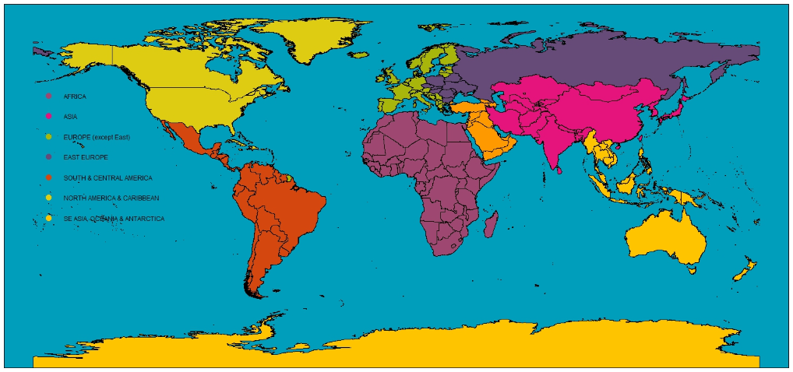
AFRICA | ASIA | MIDDLE EAST | EUROPE | EURASIA | SOUTH/CENTRAL AMERICA | NORTH AMERICA & CARIBBEAN | SE ASIA, OCEANIA & ANTARCTICA

Algeria | Afghanistan | Armenia | Albania | Belarus | Argentina | Anguilla | American Samoa
Angola | Bangladesh | Azerbaijan | Andorra | Bulgaria | Belize | Antigua and Barbuda | Antarctica
Benin | Bhutan | Bahrain | Austria | Czech Republic | Bolivia | Aruba | Australia
Botswana | China | Cyprus | Belgium | Hungary | Brazil | Bahamas | Brunei Darussalam
Bouvet Island | Hong Kong | Georgia | Bosnia and Herzegovina | Moldova, Republic of | Chile | Barbados | Cambodia
British Indian Ocean Territory | India | Iraq | Croatia | Poland | Colombia | Bermuda | Christmas Island
Burkina Faso | Iran, Islamic Republic of | Israel | Denmark | Romania | Costa Rica | Canada | Cocos (Keeling) Islands
Burundi | Japan | Jordan | Estonia | Russian Federation | Ecuador | Cayman Islands | Cook Islands
Cameroon | Kazakhstan | Kuwait | Faroe Islands | Slovakia | El Salvador | Cuba | Fiji
Cape Verde | Korea, Democratic People's Republic of | Lebanon | Finland | Ukraine | Falkland Islands (Malvinas) | Dominica | French Polynesia
Central African Republic | Korea, Republic of | Oman | France |  | French Guiana | Dominican Republic | Guam
Chad | Kyrgyzstan | Palestinian Territory, Occupied | Germany |  | Guatemala | Greenland | Indonesia
Comoros | Macao | Qatar | Gibraltar |  | Guyana | Grenada | Kiribati
Congo | Maldives | Saudi Arabia | Greece |  | Honduras | Guadeloupe | Lao People's Democratic Republic
Congo, The Democratic Republic of the | Mongolia | Syrian Arab Republic | Holy See (Vatican City State) |  | Mexico | Haiti | Malaysia
Côte D'Ivoire | Nepal | Turkey | Iceland |  | Nicaragua | Jamaica | Marshall Islands
Djibouti | Northern Mariana Islands | United Arab Emirates | Ireland |  | Panama | Martinique | Micronesia, Federated States of
Egypt | Pakistan | Yemen | Italy |  | Paraguay | Montserrat | Myanmar
Equatorial Guinea | Sri Lanka |  | Latvia |  | Peru | Puerto Rico | Nauru
Eritrea | Taiwan |  | Liechtenstein |  | South Georgia and South Sandwich Islands | Saint Barthélemy | Netherland Antilles
Ethiopia | Tajikistan |  | Lithuania |  | Suriname | Saint Kitts and Nevis | New Caledonia
French Southern Territories | Turkmenistan |  | Luxembourg |  | Uruguay | Saint Lucia | New Zealand
Gabon | Uzbekistan |  | Macedonia, The Former Yugoslav Republic of |  | Venezuela | Saint Martin | Niue
Gambia |  |  | Malta |  |  | Saint Pierre and Miquelon | Norfolk Island
Ghana |  |  | Monaco |  |  | Saint Vincent and the Grenadines | Palau
Guinea |  |  | Montenegro |  |  | Trinidad and Tobago | Papua New Guinea
Guinea-Bissau |  |  | Netherlands |  |  | Turks and Caicos Islands | Philippines
Heard Island and McDonald Islands |  |  | Norway |  |  | United States | Pitcairn
Kenya |  |  | Portugal |  |  | Virgin Islands, British | Samoa
Lesotho |  |  | San Marino |  |  | Virgin Islands, U.S. | Singapore
Liberia |  |  | Serbia |  |  |  | Solomon Islands
Libyan Arab Jamahiriya |  |  | Slovenia |  |  |  | Thailand
Madagascar |  |  | Spain |  |  |  | Timor-Leste
Malawi |  |  | Svalbard and Jan Mayen |  |  |  | Tokelau
Mali |  |  | Sweden |  |  |  | Tonga
Mauritania |  |  | Switzerland |  |  |  | Tuvalu
Mauritius |  |  | United Kingdom |  |  |  | Vanuatu
Mayotte |  |  |  |  |  |  | Vietnam
Morocco |  |  |  |  |  |  | Wallis and Futuna
Mozambique
Namibia
Niger
Nigeria
Reunion
Rwanda
Saint Helena, Ascension and Tristan Da Cunha
Sao Tome and Principe
Senegal
Seychelles
Sierra Leone
Somalia
South Africa
South Sudan
Sudan
Swaziland
Tanzania, United Republic of
Togo
Tunisia
Uganda
Western Sahara
Zambia
Zimbabwe

